1B QUEUE ROOM
1B QUEUE ROOM

ELECTRICAL

DEVICES
The power button for the computer is on the back right corner. The monitor should turn itself on.
Use the remote labeled "QUEUE" to turn on the queue room projector. Stand on a blue bench and point the remote at the projector. Point the same remote at the projector above the wormhole.

STARTUP
In Madmapper, click "OUTPUT" and select "FULLSCREEN MODE". Make sure the Lightbulb Icon in the top right is clicked and "Pixel Groups" is selected. | Select "Room Audio" from the list of cues.
Open Qlab and select "Otheroworld ATL" as the project. Click "Window" and select "Audition Mode".
Seclect "Room Audio ATL" from the list of cues on the right. Click the rectangle box that says "AUDITION" to play all the room audio.

TEST
See Queue Room Control Layout and test that the midi controller is working and operating the Queue Room.
FADE OUT LIGHTS/CIRCUITMAN >>> GO (Launches video and audio and LED's) >>> After Queue Room is Clear..STOP >>> RESET (Also closes the curtain) >>> Moving Lights or RGB Lights or House Lights >>> FADE IN LIGHTS/CIRCUIT MAN
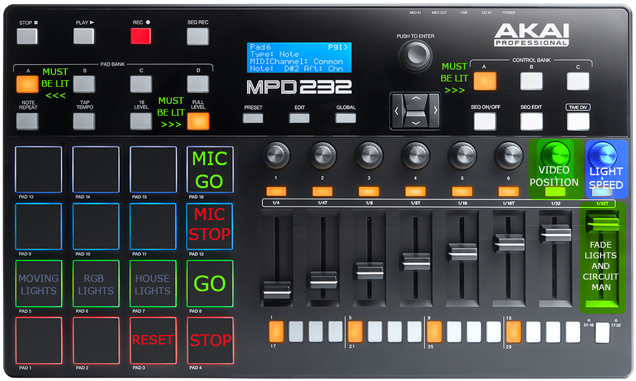

TROUBLESHOOT
if the audio starts before the projections and LED's, use the VIDEO POSITION knob to scroll ahead and catch up the WORMHOLE VIDEO, LED VIDEO, and MAIN VIDEO simultaneously.

CONTACT
Earl 615-801-3586

ELECTRICAL
How do we get power to your devices? Where is the surge protector located?
DEVICES
What devices need to be powered on? Where are the devices located? Where are the remotes and/or power buttons for the devices located for each device? Do the devices need to be turned on in a specific order?
STARTUP
Are there additional steps beyond powereing the devices? Please list them in the order they should be executed. Is there software involved? Should the softwares be opened in a specific order? Please list any and all steps necessary.
TEST
What will confirm that the tech is operating as it should? Please describe in detail. (Pictures reccommended)
TROUBLESHOOT
Are there specific issues that may arise that we should be aware of? If so, are there solutions that can be quickly and simply be executed? Please list any all potential issues with explicit details on troubleshooting.
CONTACT
Please list the most direct way to get in contact with you in case of a technical emergency. ideally this should be a line that makes you as a available as possible for communication throughout the times the exhibit is open. Home, mobile phone, work phone and extension if applicable, etc.
SUGGESTIONS
Make sure your computer is not password protected. If you are using a software that has to open a specific file, save that file on the desktop and name it open "RUN SOFTWARE". If there is multiple pieces of software then make a folder with the files and name them in chronological order i.e: "RUN SOFTWARE 1" "RUN SOFTWARE 2" "RUN SOFTWARE 3". Choose a designated spot for remotes for any devices.

10 REVERSE REFLECTIONS
10 REVERSE REFLECTIONS

ELECTRICAL
2 large Belken surge protectors power everthing, they are located behind the black curtain between reverse reflections and ribbons. The power button is located on the left side of the suge protector

DEVICES
projector #1 located beneathe the basin
projector #2 located on ceiling above basin
4 camera on th walls
4 camera in the basin
2 quad processors
--the cameras and quad processors will turn on automatically when the surge protector is powered on. The projector on the ceiling is turned on via a remote while on the 16ft ladder (see "startup"), and the projector under the basin has to be turned on by gently pressing the power button on the top of the projector. Careful not to move the projector!

STARTUP
Go behind the black curtain between reverse reflections and ribbons (you’ll have to crawl under it on the floor)
Turn on both power strips behind the Reverse Reflection wall (see picture 1)
Take the remote control located on the wall behind the power strips and crawl back under the curtain.
Get the 16ft ladder and place it behind panel 10I (see picture 2). Climb half-way up the ladder and use the remote to turn on projector #1 located on the ceiling.
Come down from the ladder and put it back in the break area, then return the remote.
Enter the room and turn on projector #2 by reaching your hand under the basin and pressing the power button. Be very gentle, the projector is not secured to the floor and is leaning against the wall of the basin. Try not to move it!
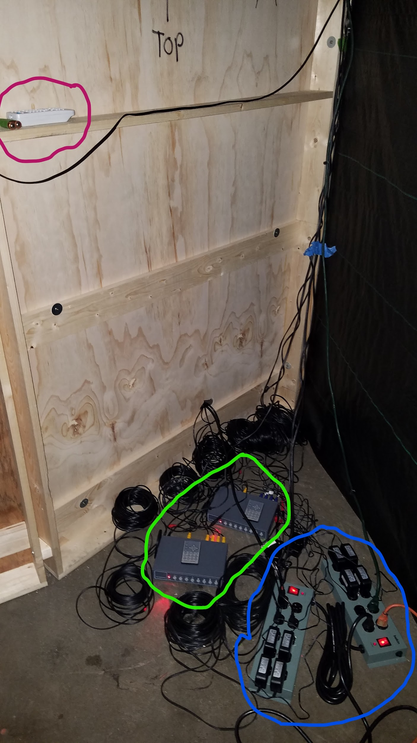
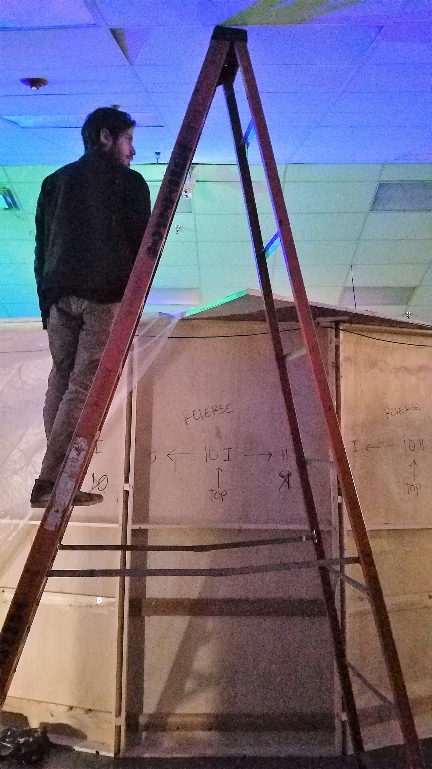

 | pink circle=ceiling projector remote | make sure the ladder is here, behind panel 10I to reach the ceiling projector with the remote
 | green circle= quad processors
 | blue circle= surge protectors

TEST
The basin should be filled with a hazy, black and white image composed of 4 sepeate feeds from the cameras on the walls.
The ceiling projection should hover above the basin, composed of 4 seperate feeds from the cameras in the basin. They should come together to create a diamond shape in the middle.

TROUBLESHOOT
If the projector in the basin gets knocked out of place, move it again to fill the basin as much as possible. There is a seperate wide angle lens sitting loosely on the projector lens that may get knocked over in the process, just make sure to reposition it as well. Note:repositioning the projector is a 2 person job, as someone has to be standing above it to see the image and direct a second person on the ground moving it.
All images are being run through devices called quad processors (located by the power strips); there is one quad for the basin projector and a second quad out-putting to the ceiling projector. 4 seperate camera feeds go into each quad. If anything ever happens to the image feed (like a camera gives out or needs to be adjusted), use the remote located on top of the quad processors to access the images.

CONTACT
Kay Kennedy: 423-676-0916
Secondary emergency contact: Matt Kinney, 215-407-9367

ELECTRICAL
How do we get power to your devices? Where is the surge protector located?
DEVICES
What devices need to be powered on? Where are the devices located? Where are the remotes and/or power buttons for the devices located for each device? Do the devices need to be turned on in a specific order?
STARTUP
Are there additional steps beyond powereing the devices? Please list them in the order they should be executed. Is there software involved? Should the softwares be opened in a specific order? Please list any and all steps necessary.
TEST
What will confirm that the tech is operating as it should? Please describe in detail. (Pictures reccommended)
TROUBLESHOOT
Are there specific issues that may arise that we should be aware of? If so, are there solutions that can be quickly and simply be executed? Please list any all potential issues with explicit details on troubleshooting.
CONTACT
Please list the most direct way to get in contact with you in case of a technical emergency. ideally this should be a line that makes you as a available as possible for communication throughout the times the exhibit is open. Home, mobile phone, work phone and extension if applicable, etc.
SUGGESTIONS
Make sure your computer is not password protected. If you are using a software that has to open a specific file, save that file on the desktop and name it open "RUN SOFTWARE". If there is multiple pieces of software then make a folder with the files and name them in chronological order i.e: "RUN SOFTWARE 1" "RUN SOFTWARE 2" "RUN SOFTWARE 3". Choose a designated spot for remotes for any devices.

